READ ME BEFORE STARTING
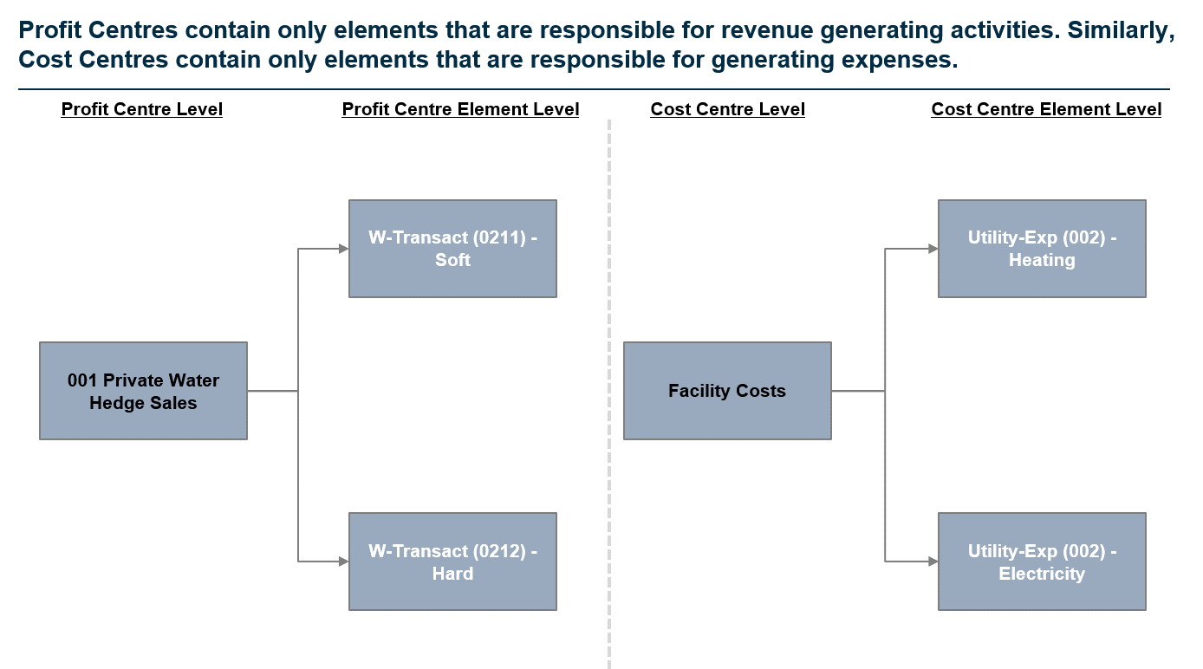
Southern Water Corp. Financial Analysis

Welcome to your first formal Financial Analysis Exercise for Unit 5!
The exercises you will be completing are based off a REAL WORLD Client and will have you focus on using the foundational knowledge you've built in Unit 4 with your Excel Functions, and combining this with the Financial Literacy you've established in Unit 5. It's your chance to prove that you aren't just confident in the topics you've covered - you're able to craft meaningful insights from the data you'll analyse!
In this case study, all the data you need to access is located in the Data Repository Table. This contains a mixture of Financial Data and Production Data that you will be using to answer the questions in each of the three (3) tabs, Revenue, Expenses and EBIT.
This case study will be challenging, but I'm confident with the skills you've developed across Unit 4 and Unit 5 - you'll be able to tell Management a compelling story regarding what insights you can extract from analysing the Revenues, Expenses and EBIT!
Let's get started.

What do the tab colours mean?
Throughout the Case Study, we've split this into three sections. The green tabs are all tabs you will have to complete. The order of completion is below: 1) Revenue Analysis (Unit 5.4) 2) Expenses Analysis (Unit 5.6) 3) EBIT Analysis (Unit 5.8)
What is a Profit Centre and/or Cost Centre?
Southern Water Corp sells two types of water product; Hard and Soft Water which is retailed to Residential, Public and Private Customers. These sales (Revenues) are stored in centres known as PROFIT CENTRES. Similarly you can imagine that production of these water products incurs costs. These costs are then stored and allocated to COST CENTRES.
You will note that when you explore the dataset in the Data Repository Table - in Column F, "Centre Type", there are two centres. Profit Centres - These are centres which handle all the revenue generating activities. These are then broken down further into Profit Centre Elements of which there are two, one for each water product (Soft Water and Hard Water).
Cost Centres - There are centres which handle all cost generating activities. If a business has set costs, they will normally flow through to a cost centre for capture. In most cases, ONLY costs flow through Cost Centres, but depending on company set up - you may have the rare instance where there are revenue-generating activities included in Cost Centres. For Southern Water Corp, we've simplified this structure so revenues stay in Profit Centres and Costs stay in Cost Centres.
Refer to the below example to understand how to interpret the information in the Data Repository Table.

Revenue Plot
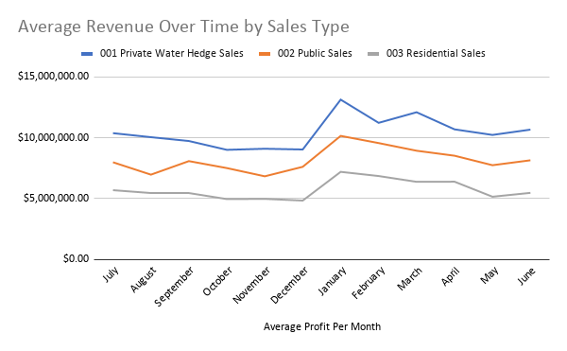
Profit Centre | July | August | September | October | November | December | January | February | March | April | May | June
001 Private Water Hedge Sales | $10,376,547.21 | $10,046,545.85 | $9,730,406.57 | $9,005,062.13 | $9,094,266.58 | $9,033,653.33 | $13,134,138.05 | $11,226,677.30 | $12,096,918.03 | $10,689,967.53 | $10,230,804.62 | $10,668,623.96
002 Public Sales | $7,982,678.62 | $6,963,682.72 | $8,077,198.21 | $7,504,596.81 | $6,827,476.27 | $7,609,594.63 | $10,152,721.73 | $9,561,660.59 | $8,931,520.47 | $8,520,952.24 | $7,740,497.90 | $8,145,676.24
003 Residential Sales | $5,686,815.39 | $5,451,308.87 | $5,449,730.71 | $4,953,682.62 | $4,970,365.45 | $4,830,501.40 | $7,194,258.22 | $6,849,737.20 | $6,374,011.62 | $6,384,419.81 | $5,148,003.96 | $5,465,301.01
Grand Total | $8,015,347.07 | $7,487,179.15 | $7,752,445.16 | $7,154,447.19 | $6,964,036.10 | $7,157,916.45 | $10,160,372.67 | $9,212,691.70 | $9,134,150.04 | $8,531,779.86 | $7,706,435.49 | $8,093,200.40

Expenses Plot
Cost Centre | July | August | September | October | November | December | January | February | March | April | May | June
Chemical Costs | 12162755.85 | 13017511.51 | 13704756.29 | 15362388.88 | 15753738.11 | 11131042.46 | 12780566.42 | 13415854.36 | 13777025.64 | 13736068.23 | 15632817.65 | 11182686.48
Facility Costs | 5955369.645 | 6471299.47 | 6801264.765 | 7596317.71 | 7541637.53 | 5582527.095 | 6405562.56 | 6478478.14 | 6908298.395 | 6245738.86 | 7243986.82 | 5904018.18
Labour Costs | 14748598.94 | 15942823.29 | 16950872.16 | 18356735.96 | 18697218.09 | 11501382.34 | 12425211.38 | 13176464.27 | 12709567.12 | 12326844.8 | 14097155.17 | 12299143.81
Operational Maintenance Costs | 3311800.6125 | 3613272.19 | 3759354.68 | 4280894.09 | 4441749.4925 | 2824979.925 | 3012363.16 | 3135820.0025 | 3191810.51 | 2960543.245 | 3496704.1225 | 2790074.705

Average Cost by Expense Type Over Time

